Sheet1
Project Name | Tutorial Ninja
Client | Aman kumar
Created By | Ashish yadav
Creation Date | 05/02/2025
Approval Date | 08/02/2025
Approval By | Shiva sir

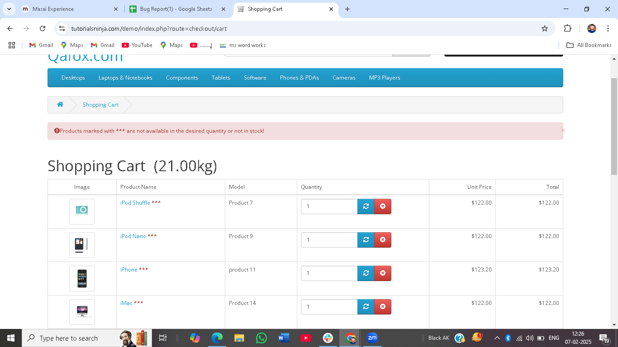
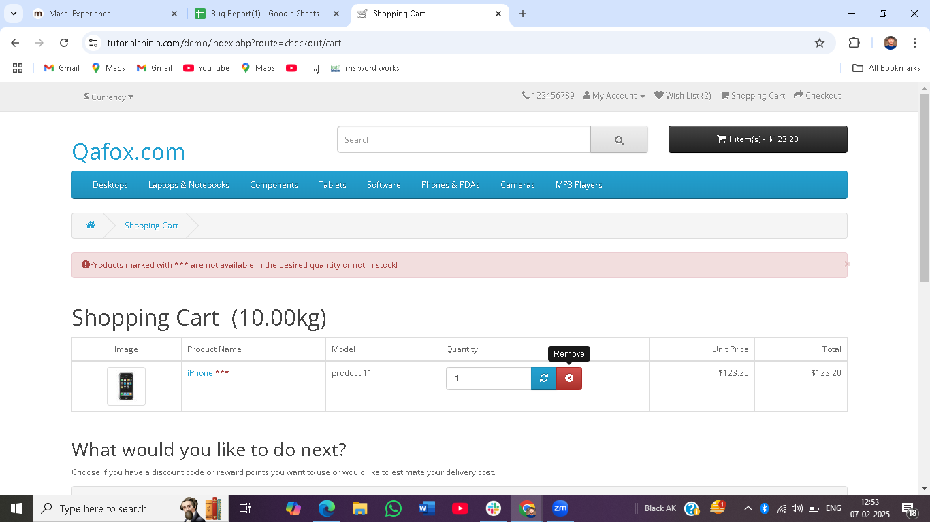
Bug ID | Bug Issue | Bug Summary | Bug Description | Steps to Reproduce | Expected Behavior | Actual Behavior | Attachments | Sevarity
Bug_001 | Functionalitie of shopping cart | The product is not add in the shopping cart. | When do i click the add to cart of the product this is addable in shopping cart. | 1.Open the browser. 2.click the product. 3.click the add to cart button. | Item should be added in the shopping cart. | Item isn't addad in the shopping cart. |  | High
Bug_002 | Functionalitie of shopping cart | The Cart is not updating quantity correctly | When do i change the new cart in shopping cart. | 1.Open the browser. 2.Add item to cart. 3.Change the quantity and update. | Quantity of the product should be updated. | Quantity of the product isn't updated. |  | Medium
Bug_003 | Functionalitie of shopping cart | The item removed from the shopping cart. | When do i click the crase button of the items remove from the shopping cart. | 1.Open the browser. 2.Add item to cart. 3.Go to the shopping cart. 4.click the remove. | The item should be remove from the shopping cart. | The item isn't remove from the shopping cart. |  | High
Bug_004 | Functionalitie of shopping cart | Checkout button not working. | When i click the checkout button of the shopping cart. | 1.Open the browser. 2.Add item to cart. 3.Go to the shopping cart. 4.click checkout button. | Redirect to checkout page. | The page doesn't load ot throws an error. |  | Critical
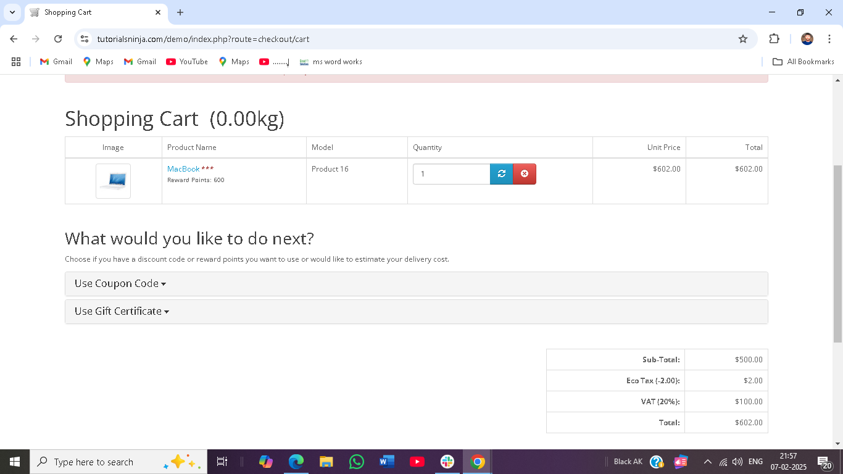
Bug_005 | Functionalitie of shopping cart | Discount code not showing on shopping cart. | when i click the shopping cort button inter the there are not discount code . | 1.Open the browser. 2.Add item to cart. 3.Go to the shopping cart. 4.click the remove. | Discount code should be there. | Discount code isn't there. |  | High
Bug_006 | Functionalitie of shopping cart | Checkout allows empty cart. | when i click the checkout button this is give to me error message. | 1.Open the browser. 2.Add item to cart. 3.Go to the shopping cart. 4.Go to the checkout button without adding items. | It should be show a warning . | User can proceed without items. |  | Medium
Bug_007 | Functionalitie of shopping cart | Some product is not adding . | when i click the some product is not adding in the shopping cart. | 1.Open the browser. 2.Add item to cart. 3.Click the add to cart. 4.Go to the shopping cart. | The item should be addade in shopping cart. | The item isn't addade in shopping cart. |  | High
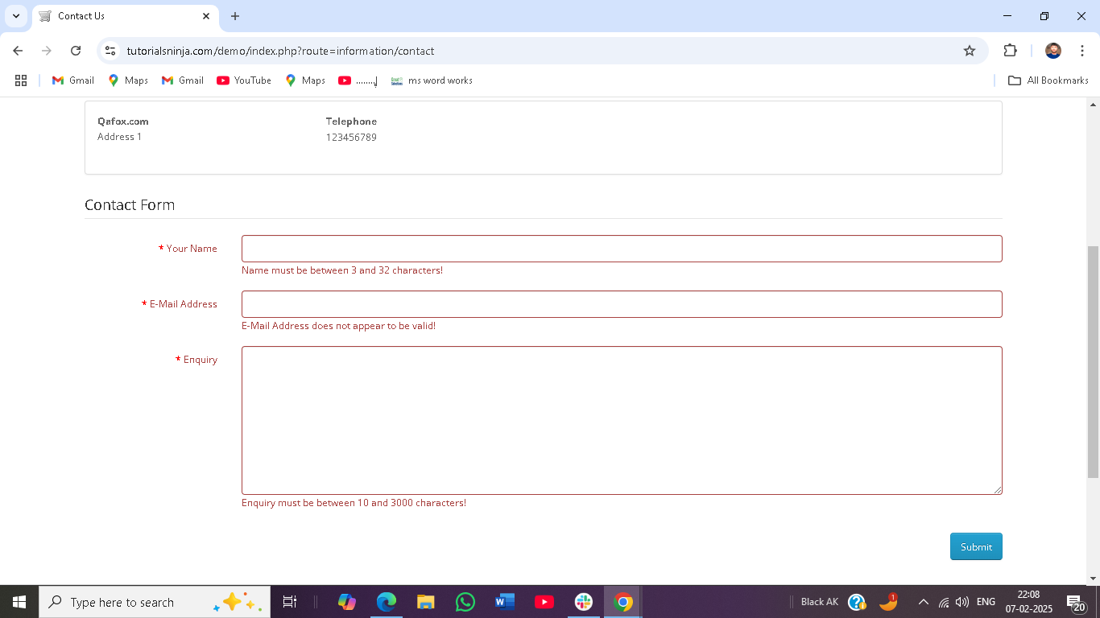
Bug_008 | Contact Us | Contact form is not submitting | when i put the all valid name, email and enquiry it is not working. | 1.Open the browser. 2.Go to the contact us. 3.Enter valid datails. 4.click the submit button. | It should be clickable button. | It isn't clickable button. |  | High
Bug_009 | Contact Us | No validation for empty firlds. | when i don't put any thing in name box i click the submit not give the error message. | 1.Open the browser. 2.Go to the contact us. 3.Enter valid datails. 4.click the submit button. without entering data. | It should be clickable button. | It isn't clickable button. |  | High
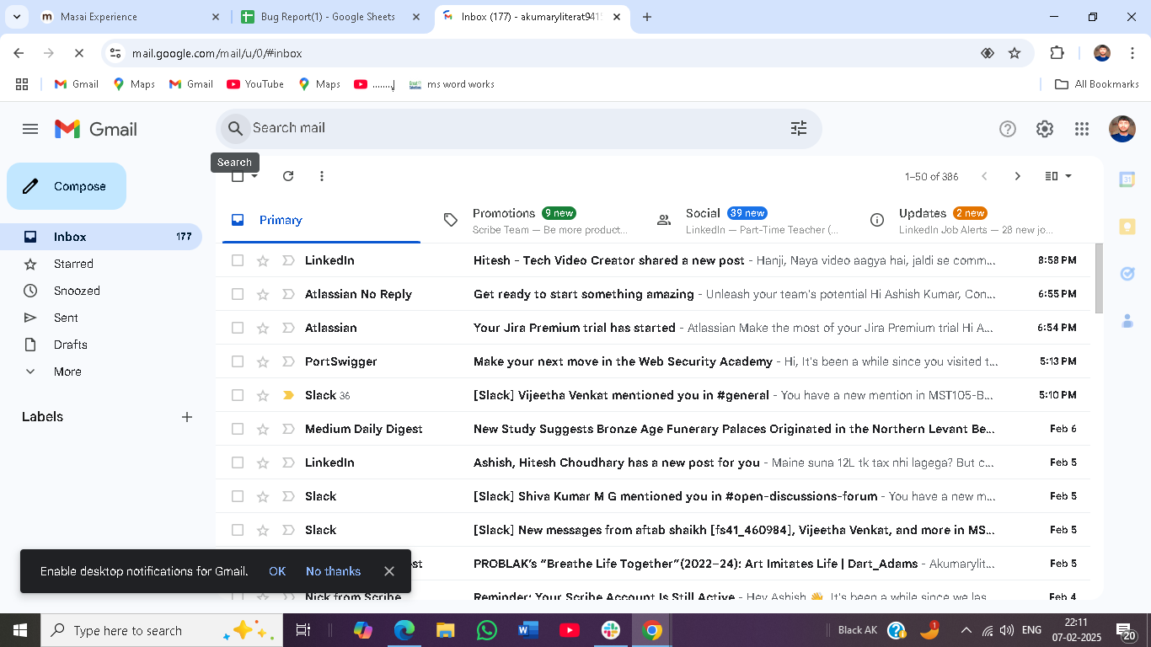
Bug_010 | Contact Us | Invalid email fromat accepted | when i put the invalid email id it did not give the error message. | 1.Open the browser. 2.Go to the contact us. 3.Enter incorrect emai id. 4.click the submit button. | It should be clickable button. | It isn't clickable button. |  | High
Bug_011 | Contact Us | Long text in message field crashes page. | when i put the invalid message it did not give the error message. | 1.Open the browser. 2.Go to the contact us. 3.Enter 500+ characters in message. 4.click the submit button. | It should be clickable button. | It isn't clickable button. |  | High
Bug_012 | Contact Us | No confirmation email received. | this website also didn't give the confirmation email message. | 1.Open the browser. 2.Go to the contact us. 3.click the submit button. | It should be clickable button. | It isn't clickable button. |  | Medium
Bug_013 | UI/UX | serching error | when search a any product then i scroll down the page search bar is not visible. | 1.Open the browser. 2.Go to the home page. 3.search the product. | the search bar should be visible. | the search bar isn't visible. |  | Low
Bug_014 | UI/UX | There are not visible placeholder. | When click the contact us bar. then i saw there are not show placeholder | 1.Open the browser. 2.Go to the home page. 3.click the contact us bar. | It should be write placeholder in text bar. | It isn't write placeholder in text bar. |  | Medium
Bug_015 | functionalitie | there are not any payment option. | When click the product for the purchase. But there are not any option for payment. | 1.Open the browser. 2.Go to the home page. 3.click the product for the purchase. | It should be payment option there | It isn't payment option there |  | High

